Sheet1
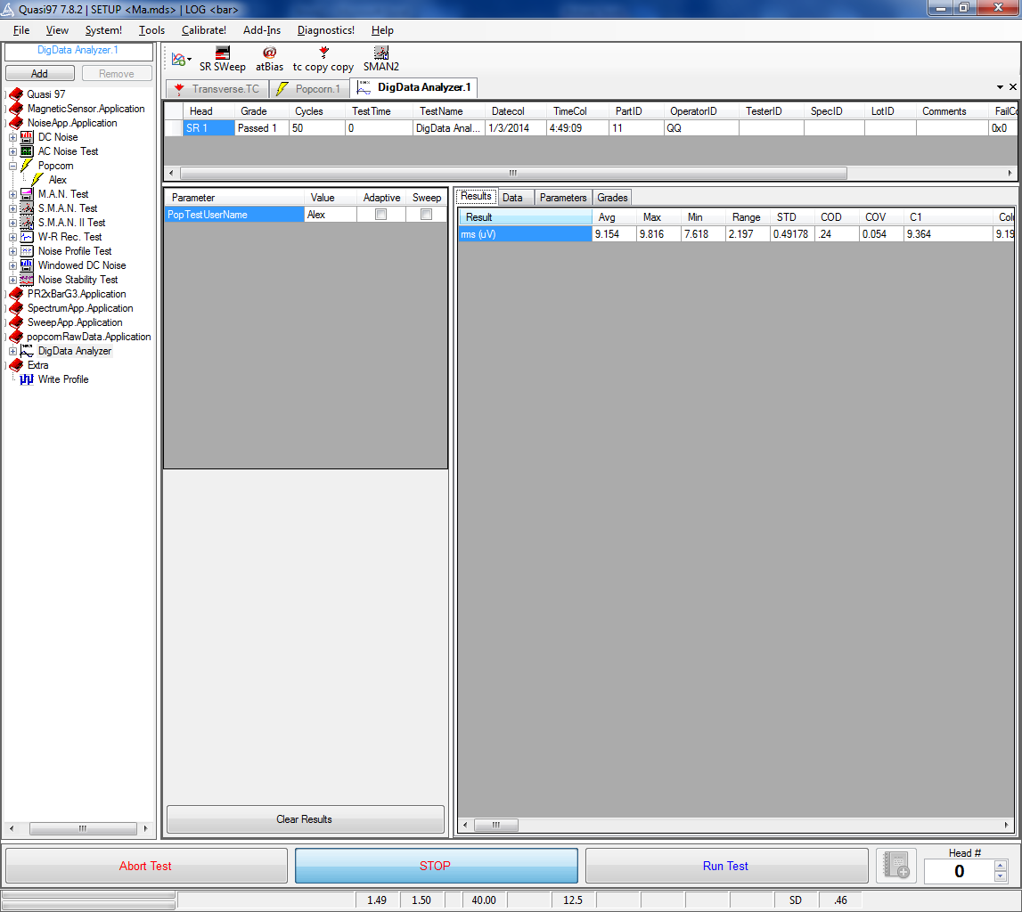
Add PopcornRawData.Application to Quasi97-->AddIns
Close Add-Ins menu

New test called DigData Analyzer should appear on the test tree
Select this test and set PopTestUserName to the name of your popcorn test instance.
Run DigData Analyzertest

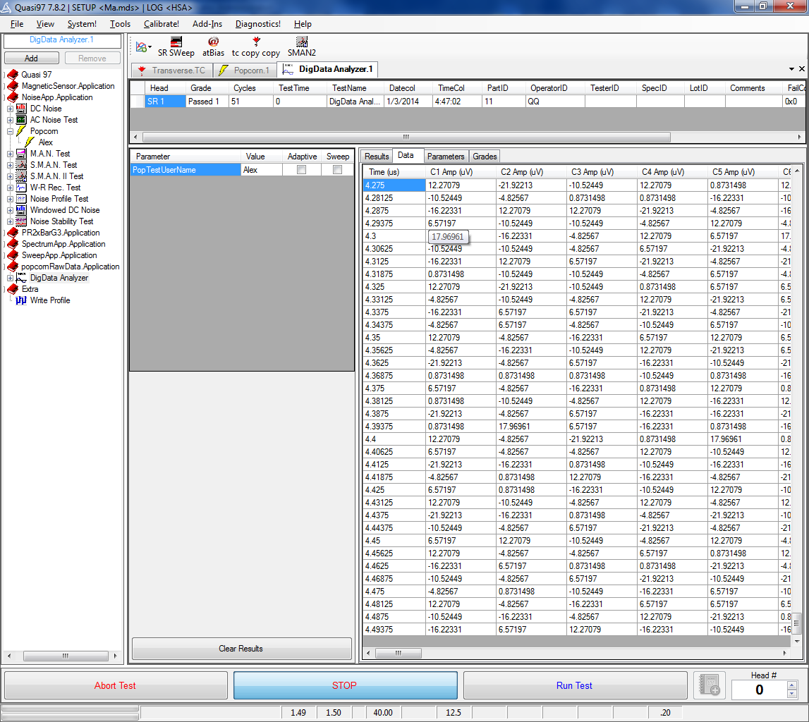

you can check back on the popcorn test menu and compare the data if you like

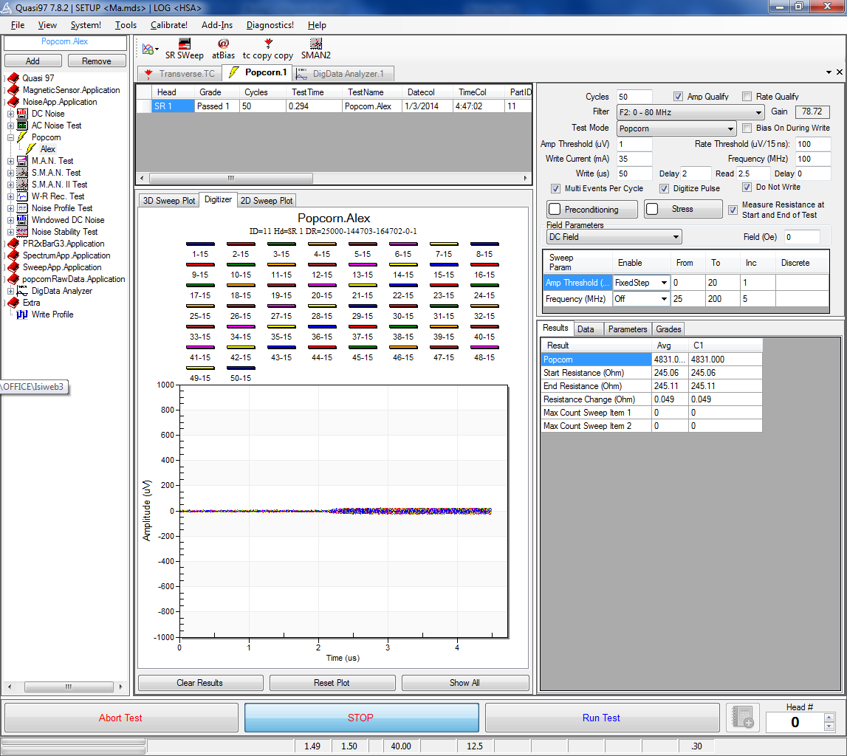

You can open log file and see that the raw data is logged.
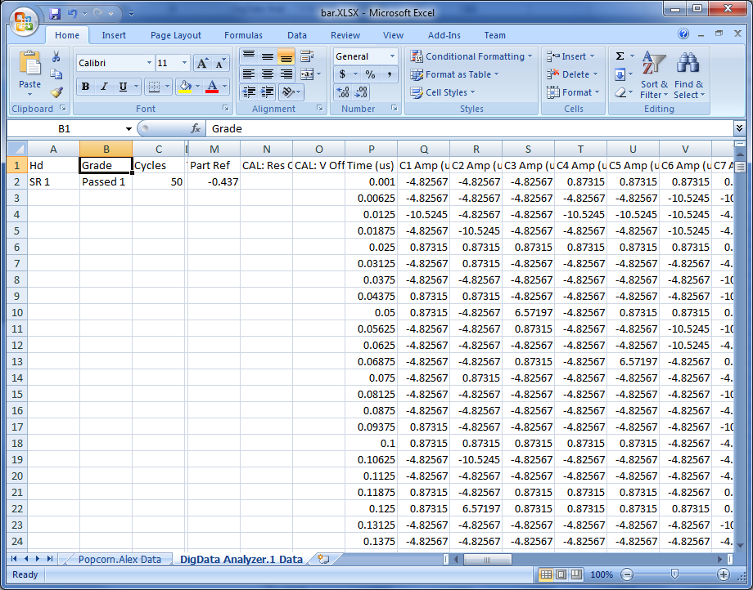

Just for example we are calculating RMS in each window, but you can do your own analysis

